Анкета пустая
заполнить вручную | заполнить вручную | заполнить вручную | заполнить вручную | заполнить вручную
Medium-sized screw-cutting lathe | DIP300 Medium-Sized Lathe (SP2122-IA/660x3000) Key Specifications: Maximum Swing-Over Bed Diameter: 660 mm. Workpiece Length (WBL): 3000 mm. Spindle Bore Diameter: 105 mm (allows for machining long shafts and large-diameter pipes). Main Motor Power: 7.5 kW (standard) or 11 kW (optional). Spindle Speed ​​Range: 26–1700 RPM (16-speed settings). Spindle Taper: MT5 (with D1-8 spindle nose). Bed Width: 400 mm. | Medium Lathe | Designed for a variety of turning operations with ferrous and non-ferrous metals, including processing large parts, drilling, boring, facing and, most importantly, cutting various types of threads (metric, inch, modular) | 1 PC | 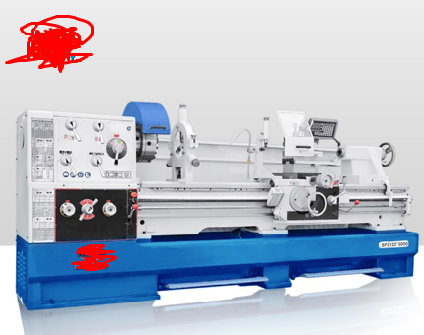

 | Parameter | Value | Parameter | Value
 | Type | Horizontal | Voltage | Subject to mechanical requirements
 | Max. workpiece length | 3000 mm | Customer requirement | For heavy-duty operation
 | Tool holder stations | 4, 6 | Spindle taper | Other
 | Key selling points | High safety level | Warranty | 1 year
 | Production equipment | On request | Video | Available on request
 | Spindle speed range | 50–1600 rpm | Place of origin | Shanghai, China
 | Machine weight | 2950 kg | Max. workpiece weight | 1500 kg
 | Bed width | 400 mm | Brand name | Sumore
 | Model | SP2122-I | Overall dimensions (L×W×H) | 3707 × 1230 × 1590 mm
 | Cutting torque | 10 | Spindle bore | 105 mm
 | Spindle speed | 26–1700 rpm | Bed width | 400 mm
 | Distance between centers | 1500 / 2000 / 3000 mm | Center height | 330 / 400 mm
 | Max. travel of compound rest | 368 / 420 mm | Max. cross-slide travel | 90 mm
 | Keyword | New heavy-duty lathe from manufacturer

Фото
