Анкета пустая
Cable track chain (flexible cable channel) | Cable track chain (flexible cable channel) model S1800 375-RM-605-ST-15760-FAI/MAI | Cable track chain (flexible cable channel) Model- S1800 375-RM-605-St-15760 FAI/MAI (length 15760 mm) Chain pitch: 180 mm Number of links - 99 pcs. Track width - Bk: 405 mm. Traction width - Bst: 375 mm. Cavity width: 343 mm | S1800 375-RM-605-St-15760 FAI/MAI | Flexible cable channels (trailing cable chains, cable tracks, energy chains, cable layers) are devices designed to protect trolley wires from damage and external influences during operation of the moving part of the equipment, since the main load during mechanical impact falls on the cable chain, and not on the wire. | 4PC

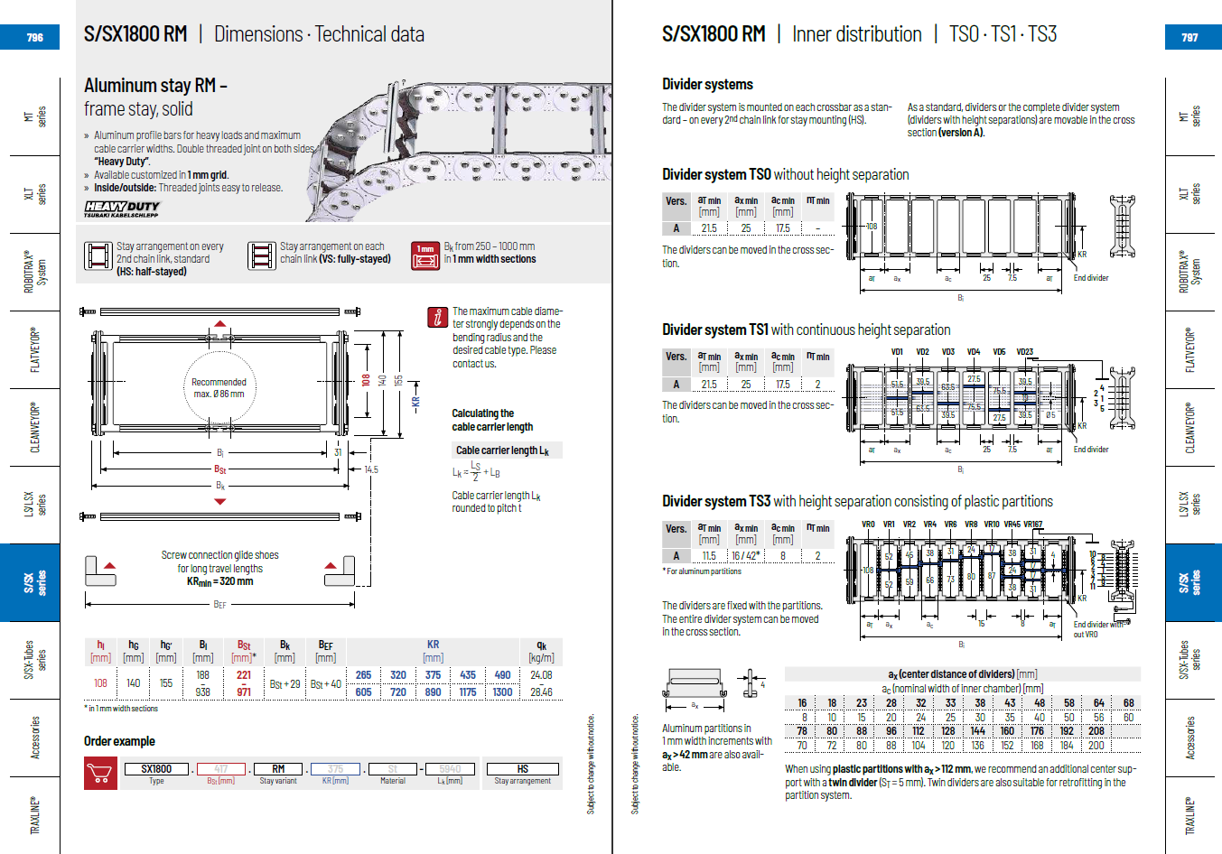

Фото
