Модули
№ | Наименование ТМЦ / услуги (на русском) | Наименование ТМЦ / услуги (на английском) если применимо | Полная техническая характеристика (и комплектация) | Спецификация, марка и/или модель; Номер детали (или артикул) производителя | Производитель, бренд (наименование) | Краткое описание и цель использования | Фото (общий вид) | Нормативный срок поставки ТМЦ
1 | 4 | 5 | 13 | 14 | 15 | 18 | 20 | 21
 | заполнить вручную | заполнить вручную | заполнить вручную | заполнить вручную | заполнить вручную | заполнить вручную | заполнить вручную | заполнить вручную
1 | Модуль адаптера ABB FECA-01 EtherCAT | ABB FECA-01 EtherCAT Adapter Module | Communication Protocol: EtherCAT®. Supported Profiles: CANopen® DSP 402 (Device Profile for Drives and Motion Control), ABB Drives Profile. Sync Manager Channels: 4 channels for accessing application memory. Watchdogs: 2 built-in watchdog timers for system reliability. Addressing Modes: Supports EtherCAT® addressing and FMMU (Fieldbus Memory Management Unit). Protection Rating: IP20. Power Supply: +3.3 V (+5%), maximum 450 mA (supplied from the drive). Connectors: 20-pin drive connector (X3), two 8P8C modular connectors (X1, X2). Topology: Daisy-chain. Printed Circuit Board: Conformal-coated for increased durability. Standards Compliance: EN 61800-3:2004 (EMC). Expected service life: 100,000 hours. | Article number 3AUA0000072069 | ABB-MUST BE | The ABB FECA-01 adapter module is a device designed to connect ABB drives to the EtherCAT network. It provides high-performance communication, real-time data exchange, and precise synchronization, making it ideal for motion control applications in industrial environments. | 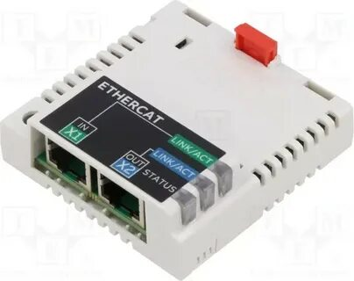 | 4 PC
2 | FEA-03 Адаптер расширения ввода-вывода | FEA-03 I/O Expansion Adapter | Connection Type: Fiber optic communication (10 Mbps) via the Avago Versatile Link interface. Supported cables include plastic optical fiber (POF, maximum length 30 m) and hard-clad silica (HCS®, maximum length 200 m). Power Supply: 24 VDC ±10%. Mounting: 35 x 7.5 mm DIN rail (vertical or horizontal) with spring clips. Protection Rating: IP20 (protected against solid objects larger than 12.5 mm, but not against liquids). Standards Compliance: Safety — IEC 61800-5-1, EMC — IEC 61800-3. Dimensions: Approximately 90 mm (width), 292 mm (height), 41 mm (depth). Operating Conditions: Same as those specified for the drive. In its technical manual. Diagnostic LEDs: PWR OK (power), SLOT 1 STATUS (initializing module in slot 1), SLOT 2 STATUS (initializing module in slot 2). | Article 3AUA0000108669 | ABB-MUST BE | The FEA-03 is an expansion module from ABB (F-series) designed to increase the number of digital and/or analog inputs/outputs in control systems based on ABB drives (in particular, ACS880 and DCS880 models). | 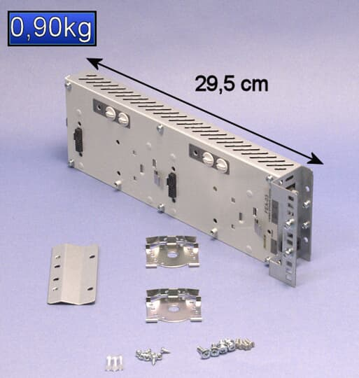 | 1 PC
3 | FSO-12 Модуль безопасности | FSO-12 Security Module | Supply voltage: 12–24 V DC. Output current: Maximum current through the signal ground terminals: 1000 mA. Operating temperature: -20°C to +55°C. Humidity: 0–95% (non-condensing). Dimensions (W×H×D): 85 mm × 125 mm × 48 mm. Weight: 0.1 kg. Protection rating: IP67 (dust and water resistant). Compliance standards: EN 954-1, EN 61375, IEC 61508 SIL 2/3. | Article 3AXD50000016771 | ABB-MUST BE | FSO-12 is a dedicated safety module from ABB designed to implement emergency shutdown and personnel/equipment protection functions in accordance with international standards (e.g. SIL3 according to IEC61508, PLe according to ISO13849). | 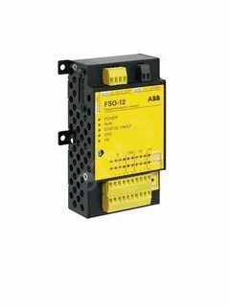 | 1 PC
4 | Тиристорный регулятор мощности DCT880-W02-0160-4 | Thyristor power regulator DCT880-W02-0160-4 | Manufacturer: ABB. Type: Two-phase thyristor power controller. Nominal supply voltage: 400 V. Nominal current: 160 A. Number of supply phases: 2. Weight: 16 kg. Dimensions (W x H x D): 370 x 270 x 270 mm. | Article DCT880-W02-0160-04 | ABB-MUST BE | The ABB DCT880-W02-0160-04 thyristor power controller is designed for precise control of electrothermal processes by regulating the power supplied to the load. Key objectives: maintaining a set temperature with high accuracy; optimizing energy consumption (reducing peak loads); extending the service life of heating elements; automating technological processes. | 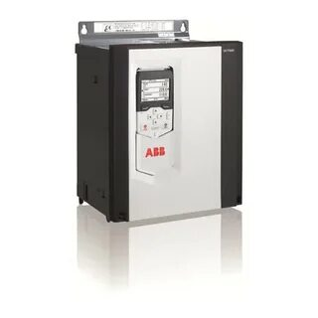 | 1 PC

