Анкета пустая
Анкета для создания ТМЦ/услуги (Техническое описание)

№ | СКП (общий) наименование | Наименование ТМЦ / услуги (на русском) | Подгруппа закупа (наименование) | Полная техническая характеристика (и комплектация) | Краткое описание и цель использования | Фото бирки (шильдика) если применимо. Обязательно для приборов, оборудования и др. | Фото (общий вид)
1 | 2 | 4 | 11 | 13 | 18 | 19 | 20
 | выбрать | запонить вручную | выбрать | запонить вручную | запонить вручную | запонить вручную | запонить вручную
6 | Sleeve | Rubber bushing for tension winder head ANGTS_Ra.031 | RTI and ATI. Rubber pipeline components (elbows, adapters, tees) | Rubber bushing for an inner diameter of 610 mm. Bushing length is 1580 mm, outer diameter is 587 mm, inner diameter is 441 mm, wall thickness is 73 mm. The distance between grooves is 44 mm, the groove angle is 4 degrees. When the drum is compressed, the outer diameter of the bushing stretches to 610 mm. The rubber bushing weighs 220 kg. | The head supports the coil on the tension reel mandrel. A sleeve, actuated by a tension rod mechanism, extends its segments precisely into the coil. Four forged alloy steel segments are designed to move in conjunction with the mandrel extension mechanism, with guides and guide segments that align with the wedge surfaces. The mandrel segments are extended/retracted by a rotating hydraulic cylinder connected to a drawbar at the rear end of the mandrel. The rod is connected to guides at the other end. After the drawbar shifts the sleeve, the segments are raised to extend the mandrel or lowered to retract it. The segments move on the sleeve by shifting bronze wear plates. Rubber adapter bushings are provided for internal diameters of 508 mm and 610 mm. The mandrel head is mounted on an outrigger. | 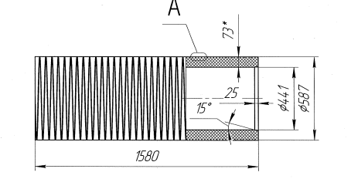 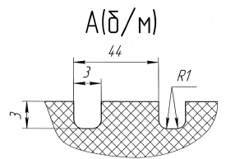 | 4 PC

чертеж
