Лист1
1 | 2 | 4 | 13 | 14 | 15 | 20 | 21
1 | Disc brake (caliper) | Electric brake for electric motor FRENO 04RM | Electromagnetic Coil (Magnetic Block) Housing Outer Diameter: 115 mm. Centering Protrusion Diameter: 112 mm. Mounting Hole Spacing: 132 mm (diagonally). Mounting Bolts: 3 x M5. Voltage: 103V DC or 178V DC. Resistance (at 20°C): ~350-400 Ohms (for 103V coil). 2. Brake Disc (Friction Element) Disc Outer Diameter: 96 mm. Inner Profile: Splined (usually 14 teeth). New Disc Thickness: 8 mm. Wear Limit: Replace when thickness reaches 5.5 - 6.0 mm. Material: Steel base with asbestos-free friction coating. 3. Hub Hub Hub The hub diameter is the most critical parameter when mating with the motor shaft. Outer diameter (splined): 45 mm (standard for size 04). Inner diameter (shaft fit): *Basic standard: 19 mm. Additional options: 20 mm or 24 mm. Hub width (length): 18 mm. Retaining method: Keyway (6 mm or 8 mm depending on the shaft) + retaining ring. | Article: 274FD04RM | Bonfiglioli / O.E.G. MUST BE | 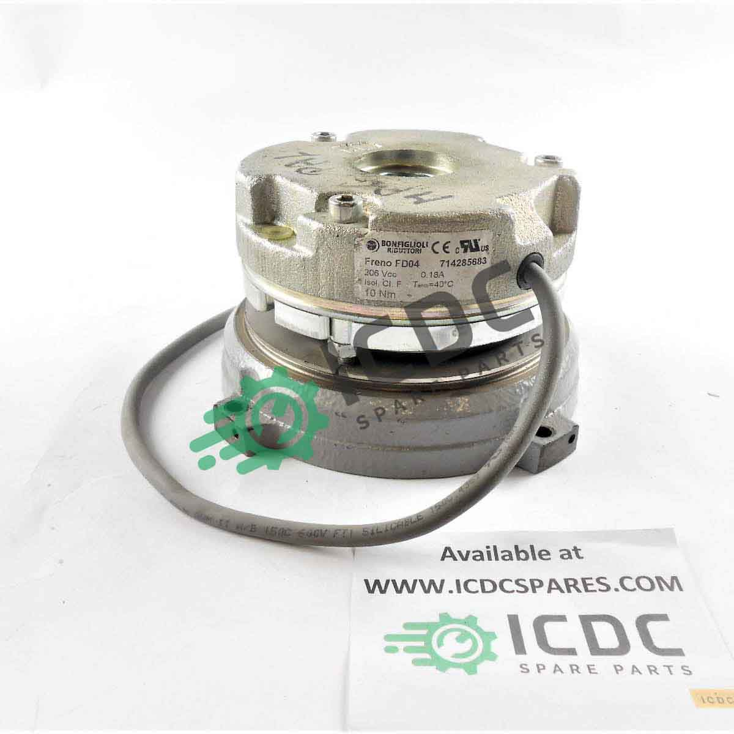 | 2PC
2 | Disc brake (caliper) | Electric brake for electric motor FRENO 05RM | Hub outer diameter (splines): 55 mm. Hub inner diameter (shaft): 28 mm — The most common standard for 100/112-size motors. 25 mm — Available in special versions. Magnetic block outer diameter: 135 mm. Mounting bolt spacing: 149 mm (3 x M6 holes). Brake disc thickness (new): 10 mm (minimum threshold: 7.5 mm). Max. braking torque: 26 Nm (standard) Torque adjustment: Range: 13-26 Nm (by selecting springs) Supply voltage (DC): 103 V (for 230 V network) or 178 V (for 400 V network) Coil power ($P_{20}$): 35 - 40 W Max. Speed: 3600 rpm Operating air gap: 0.25 - 0.30 mm (max. wear up to 0.55 mm) | 274FD05RM | Bonfiglioli / O.E.G. MUST BE | 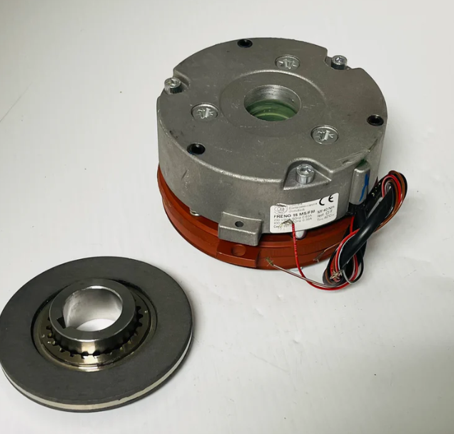 | 2PC
3 | Disc brake (caliper) | Electric brake for electric motor FRENO 06RM | Specifications (06RM) Maximum braking torque: 75 Nm. Coil supply voltage: 103 VDC (for 230 V network) or 178 VDC (for 400 V network). Coil power consumption: 55 W. Operating air gap: 0.30 mm. Maximum allowable clearance (wear): 0.60 mm. Maximum rotation speed: 3000 rpm. Hub and disc parameters Hub outer diameter (splines): 72 mm. Hub inner diameter (shaft fit): Typically 38 mm (standard for size 132) or 42 mm. New friction disc thickness: 12 mm. Minimum disc thickness (replacement): 9 mm. Magnet outer diameter: 167 mm. Fastening: 3 M8 bolts, center distance 186 mm. | 274FD06RM | Bonfiglioli / O.E.G. MUST BE | 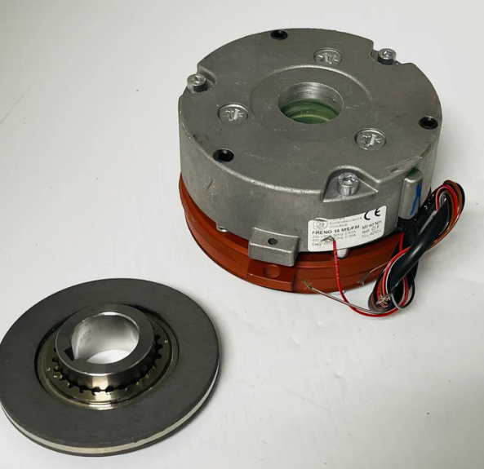 | 4 PC
4 | Disc brake (caliper) | Electric brake for electric motor FRENO 07RM | 2. Technical Specifications (Size 07) Maximum Braking Torque: 150 Nm. Coil Supply Voltage: 103 VDC (or 178 VDC). Power Consumption: 65 W. Nominal Air Gap: 0.35 mm. Maximum Allowable Clearance (Wear): 0.65 mm. Maximum Speed: 3000 RPM. 3. Hub Geometry and Diameters Hub Outer Diameter (by Splines): 90 mm (Main Difference from Series 06). Inner Diameter (on Shaft): 42 mm (Standard). Magnet Outer Diameter: 195 mm. Mounting: 3 M10 Bolts, Center Distance 215 mm. New Disc Thickness: 14 mm. Disc wear limit: 11 mm. 4. Part numbers for ordering Brake assembly (103V + RM): 274FD07RM Friction disc: 400510007 Hub (42 mm): 400520042 (for size 07) Hub (48 mm): 400520048 | 274FD07RM | Bonfiglioli / O.E.G. MUST BE | 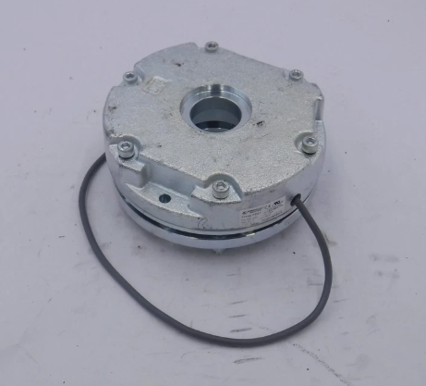 | 8 PC
5 | Disc brake (caliper) | Electric brake for electric motor FRENO 08RM | 2. Technical Specifications (Size 08) Maximum Braking Torque: 250 Nm. Supply Voltage: 103 VDC or 178 VDC. Coil Power Consumption: 75 W. Nominal Air Gap: 0.40 mm. Maximum Allowable Clearance (Wear): 0.70 mm. Maximum Speed: 3000 RPM. 3. Hub Geometry and Diameters Hub Outer Diameter (splines): 105 mm. Inner Diameter (on shaft): Typically 55 mm. Magnetic Block Outer Diameter: 230 mm. Fastening: 3 M12 bolts, center distance 254 mm. New Friction Disc Thickness: 16 mm. Minimum disc thickness (replacement): 12.5 mm. | 274FD08RM | Bonfiglioli / O.E.G. | 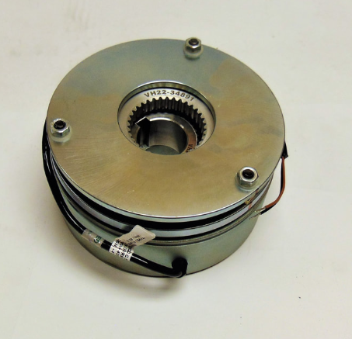 | 2 PC
6 | Disc brake (caliper) | Electric brake for the FRENO 15RM electric motor | Specifications (Size 15) Maximum braking torque: 600 Nm. Coil supply voltage: 103 VDC (or 178 VDC). Power consumption: 110 W. Nominal air gap: 0.45 mm. Maximum allowable clearance (wear): 0.80 mm. Brake block weight: approximately 30–35 kg. 3. Hub geometry and diameters Hub outer diameter (splines): 130 mm. Inner bore diameter (on shaft): Typically 65 mm or 75 mm. Magnetic block outer diameter: 295 mm. Mounting: 3 M14 bolts, center distance 330 mm. New friction disc thickness: 20 mm. Minimum disc thickness (replacement): 15.5 mm. | 274FD15RM | Bonfiglioli / O.E.G. MUST BE | 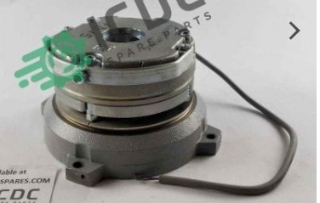 | 2 PC
7 | Disc brake (caliper) | Electric brake for the FRENO 53RM electric motor | 2. Technical Specifications (03/53 RM) Brake Torque: 5 Nm. Supply Voltage (DC): 103 V (for 230 V AC) or 178 V (for 400 V AC). Coil Power: 15 W. Operating Air Gap: 0.20 mm. Maximum Permissible Wear (Gap): 0.40 mm. 3. Geometric Parameters and Hub Hub Outer Diameter (by Splines): 30 mm. Hub Inner Diameter (on Shaft): 11 mm (for Size 63), 14 mm (for Size 71). Magnet Outer Diameter: 83 mm. Fastening: 3 M4 Bolts, Center Distance 94 mm. Brake Disc Thickness (New): 7 mm. | 274FD53RM | Bonfiglioli / O.E.G. MUST BE | 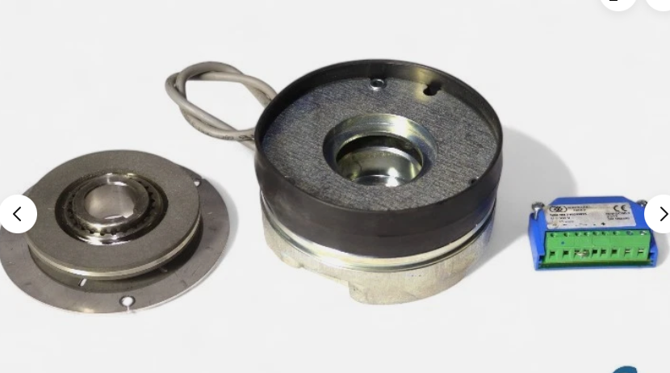 | 2 PC

