Zeolite Questionnaire
№ | SKP (general) name | Item/service name (in Russian) | Item/service name (in English) if applicable | Purchase subgroup (name) | Full technical specification (and configuration) | Specification, brand and/or model; Manufacturer part number (or article) | Installation location | Brief description and purpose of use | Photo of nameplate (if applicable). Mandatory for instruments, equipment, etc. | Photo (general view) | QTY
1 | Molecular sieve | Zeolite (Molecular Sieve) 13X-APG | 13X APG molecular sieve | Nitrogen station | A specially developed modification of 13X zeolite, which is a type of alkali metal aluminum silicate, designed for the most effective simultaneous removal of carbon dioxide (CO2) and water (H2O) from nitrogen. Chemical formula: Nax[(AlO2)x(SiO2) Y].zH2O. The 13X-APG molecular sieve is designed for use in air separation units (ASU) and differs from analogues by its increased adsorption rate and enhanced adsorption capacity for water and carbon dioxide. Technical specifications: Color - beige; Shape - spheres; Pore diameter, nm - 1 (10 Angstrom); Particle fraction with diameter 3.0-5.0 mm (%) - ≥98; Bulk density, kg/dm³ - ≥0.68; Attrition resistance, % - 99.8; Crush strength, N/particle - ≥85; Static water (H2O) adsorption, wt.% - ≥27; Static CO2 adsorption, wt.% - ≥18; Initial moisture content, wt.% - ≤1.0 | Molecular sieve 13X-APG | OGE-Power Equipment-Nitrogen Station-Dryer No. A171601 | Zeolite is used as a bulk packing material in the columns of the drying and nitrogen purification (from CO2) unit in PSAN-1250 and PSAN-1830 nitrogen plants. Designed for removing moisture and carbon dioxide from high-purity product nitrogen. It is a consumable material. Service life: 2–5 years. | 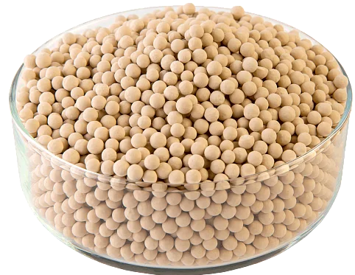 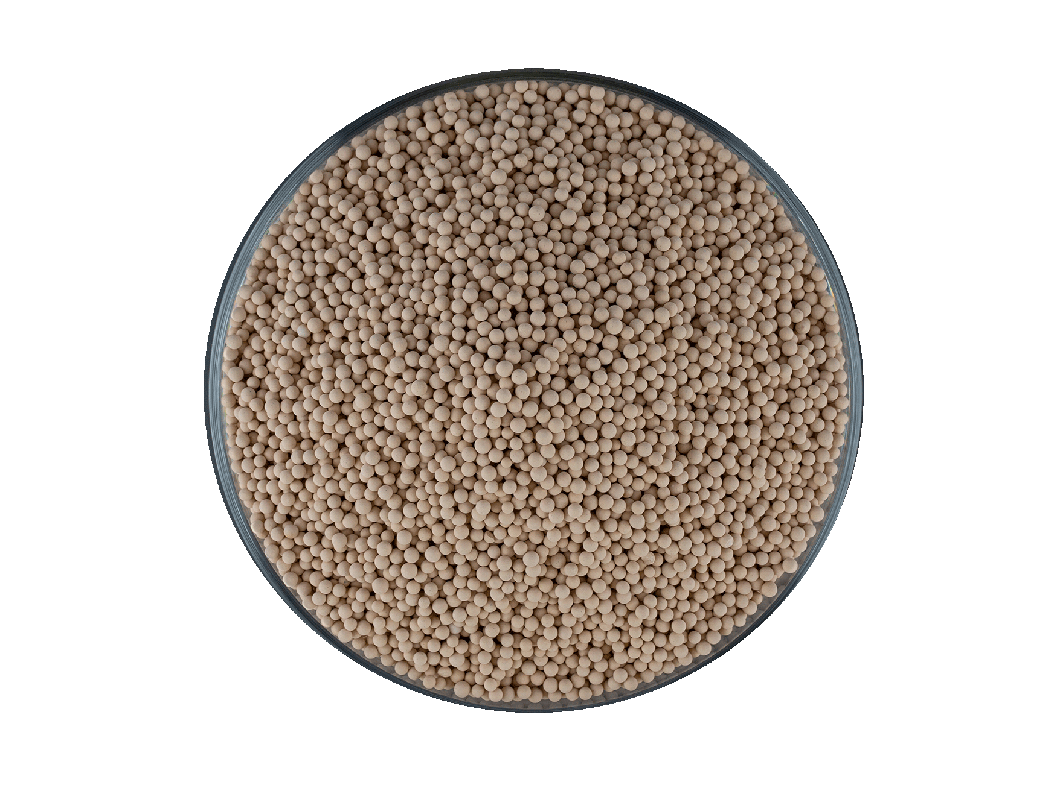 |  | 3000 Kg

 |  |  |  |  | Parameter | Value
 |  |  |  |  | Color | Beige
 |  |  |  |  | Pore diameter, nm | 1 (10 Angstrom)
 |  |  |  |  | Shape | Spheres
 |  |  |  |  | Particle fraction (%)
 |  |  |  |  | with diameter, mm
 |  |  |  |  | Bulk density, kg/dm³
 |  |  |  |  | Attrition resistance, %
 |  |  |  |  | Crush strength, N/particle
 |  |  |  |  | Static water (H2O) adsorption, wt.%
 |  |  |  |  | Static CO2 adsorption, wt.%
 |  |  |  |  | Initial moisture content, wt.%

